rev1_UDLfor_beamlength=LOS
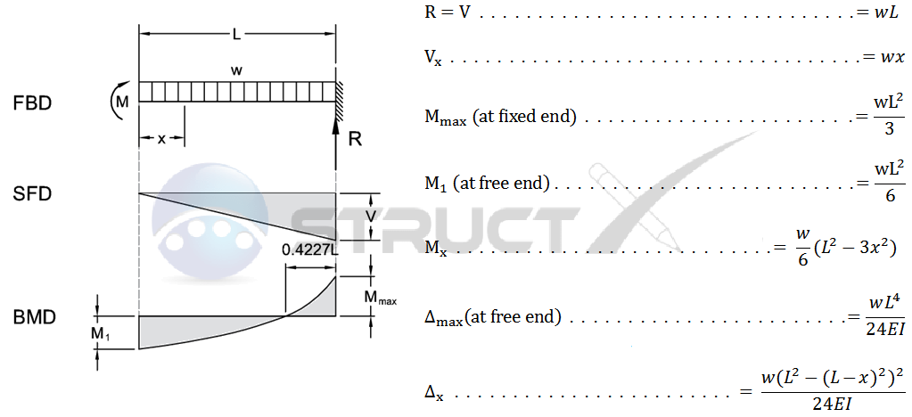
 |  |  |  |  |  |  |  |  |  |  |  |  |  |  |  |  |  |  |  |  |  |  |  |  | 10
House Load [kN/m] | 8.6 |  |  |  | Pinned-Pinned |  |  |  |  |  |  |  |  |  | Fixed - Fixed |  |  |  |  |  |  |  |  |  | Numerical - not very stiff soil |  |  |  |  |  |  |  |  |  |  |  |  |  |  |  |  |  | Total k_Springs [kN/m]
Ec [Mpa] | 20615.528128 | 25000 |  | V [kN] | L [m] | M (x) | M (x) | M_max [kNm] | V (x) [N] | Delta [mm] | Delta_cont | D_(x) [m] | Delta_mod |  | L [m] | M | M (x) - [Nm] | M_max [kNm] |  | Delta [m] | Delta_cont | D_(x) [m] | Delta_mod |  | L_start | L_finish |  | L [m] | M Nm | M_max [kNm] elastic | M_max [kNm] inelastic |  | Delta [m] | Delta_ mm | V (N) | V (kN) | Delta_minus initial settlement |  |  |  | Disp_av_spring |  | 12900 |  |  |  |  |  | Noyr
f'c [Mpa] | 17 |  |  | 0 | 0 | 0 | 0 | 0.0 | 43000.0 | 0.00 | 0.00 | 0.0000 |  |  | 0 | -71.666666667 | -71667 | 0.0 |  | 0.00 | 0.00 | 0.00000 |  |  | 5 | 5 |  | 0 |  |  |  |  |  |  |  | 0 |  |  |  |  | n_springs |  | K_spring [kN/m] | disp_av_spring | num-disp_av_spring
b [m] | 0.15 |  |  | 2.15 | 0.5 | 20.425 | 20425 | 0.3 | 38700.0 | 0.00 | 3.20 | 0.0032 |  |  | 0.5 | -51.241666667 | -51242 | 0.2 |  | 0.00 | 0.15 | 0.00015 |  | 2 | 4.75 | 5.25 |  | 0.5 | 926 | 0.9 |  |  | 0.00033 | 0.33 | 641 | 0.641 | -2.76 |  |  |  | 19 |  | 2500 | 0.33333333333 | -0.0033333333333
h [m] | 0.6 |  |  | 4.3 | 1 | 38.7 | 38700 | 1.1 | 34400.0 | 0.00 | 6.32 | 0.0063 |  |  | 1 | -32.966666667 | -32967 | 0.7 |  | 0.00 | 0.52 | 0.00052 |  | 3 | 4.5 | 5.5 |  | 1 | 1470.5 | 1.5 |  |  | 0.00037 | 0.37 | 971 | 0.971 | -2.72 |  |  |  | 18 |  | K_spring_end [kN/m] | 0.66666666667 | -0.29666666667
I [m^4] | 0.0027 |  |  | 6.45 | 1.5 | 54.825 | 54825 | 2.4 | 30100.0 | 0.01 | 9.25 | 0.0093 |  |  | 1.5 | -16.841666667 | -16842 | 1.6 |  | 0.00 | 1.05 | 0.00105 |  | 4 | 4.25 | 5.75 |  | 1.5 | 1976 | 2.0 |  |  | 0.00043 | 0.43 | 1281 | 1.281 | -2.66 |  |  |  | 17 |  | 1250 | 1 | -0.57
Mpa = 1N/mm^2 |  |  |  | 8.6 | 2 | 68.8 | 68800 | 4.3 | 25800.0 | 0.03 | 11.95 | 0.0119 |  |  | 2 | -2.8666666667 | -2867 | 2.9 |  | 0.01 | 1.65 | 0.00165 |  | 5 | 4 | 6 |  | 2 | 2606 | 2.6 |  |  | 0.00050 | 0.5 | 1618 | 1.618 | -2.59 |  |  |  | 16 |  | UDL | 1.3333333333 | -0.83333333333
L [m] | 10 |  |  | 10.75 | 2.5 | 80.625 | 80625 | 6.7 | 21500.0 | 0.08 | 14.33 | 0.0143 |  |  | 2.5 | 8.9583333333 | 8958 | 4.5 |  | 0.02 | 2.26 | 0.00226 |  |  | 3.75 | 6.25 |  | 2.5 | 3212 | 3.2 |  |  | 0.00058 | 0.58 | 1921 | 1.921 | -2.51 |  |  |  | 15 |  | 8.6 | 1.6666666667 | -1.0866666667
 |  |  |  | 12.9 | 3 | 90.3 | 90300 | 9.7 | 17200.0 | 0.16 | 16.36 | 0.0164 |  |  | 3 | 18.633333333 | 18633 | 6.4 |  | 0.03 | 2.84 | 0.00284 |  | 7 | 3.5 | 6.5 |  | 3 | 3962 | 4.0 |  |  | 0.00069 | 0.69 | 2266 | 2.266 | -2.4 |  |  |  | 14 |  |  | 2 | -1.31
NOTE: Shear force eqn same for pin-pin and fix-fix cases, only the length will change it
Consider elastic beam and elastic soil -> therefore use soil spring stiffness from Henderson coresponding to 0 bearing capacity loss
 |  |  |  | 15.05 | 3.5 | 97.825 | 97825 | 13.2 | 12900.0 | 0.30 | 17.98 | 0.0180 |  |  | 3.5 | 26.158333333 | 26158 | 8.8 |  | 0.06 | 3.33 | 0.00333 |  |  | 3.25 | 6.75 |  | 3.5 | 4691 | 4.7 |  |  | 0.00081 | 0.81 | 2565 | 2.565 | -2.28 |  |  |  | 13 |  |  | 2.3333333333 | -1.5233333333
 |  |  |  | 17.2 | 4 | 103.2 | 103200 | 17.2 | 8600.0 | 0.52 | 19.16 | 0.0192 |  |  | 4 | 31.533333333 | 31533 | 11.5 |  | 0.10 | 3.71 | 0.00371 |  |  | 3 | 7 |  | 4 | 5587 | 5.6 |  |  | 0.00097 | 0.97 | 2913 | 2.913 | -2.12 |  |  |  | 12 |  |  | 2.6666666667 | -1.6966666667
 |  |  |  | 19.35 | 4.5 | 106.425 | 106425 | 21.8 | 4300.0 | 0.82 | 19.88 | 0.0199 |  |  | 4.5 | 34.758333333 | 34758 | 14.5 |  | 0.16 | 3.94 | 0.00394 |  |  | 2.75 | 7.25 |  | 4.5 | 6443 | 6.4 |  |  | 0.00110 | 1.1 | 3218 | 3.218 | -1.99 |  |  |  | 11 |  |  | 3 | -1.9
 |  |  |  | 21.5 | 5 | 107.5 | 107500 | 26.9 | 0.0 | 1.26 | 20.12 | 0.0201 |  |  | 5 | 35.833333333 | 35833 | 17.9 |  | 0.25 | 4.02 | 0.00402 |  |  | 2.5 | 7.5 |  | 5 | 7490 | 7.5 |  |  | 0.00130 | 1.3 | 3561 | 3.561 | -1.79 |  |  |  | 10 |  |  | 3.3333333333 | -2.0333333333
 |  |  |  | 23.65 | 5.5 | 106.425 | 106425 | 32.5 | -4300.0 | 1.84 | 19.88 | 0.0199 |  |  | 5.5 | 34.758333333 | 34758 | 21.7 |  | 0.37 | 3.94 | 0.00394 |  |  | 2.25 | 7.75 |  | 5.5 | 8440 | 8.4 |  |  | 0.00160 | 1.6 | 3885 | 3.885 | -1.49 |  |  |  | 9 |  |  | 3.6666666667 | -2.0666666667
 |  |  |  | 25.8 | 6 | 103.2 | 103200 | 38.7 | -8600.0 | 2.61 | 19.16 | 0.0192 |  |  | 6 | 31.533333333 | 31533 | 25.8 |  | 0.52 | 3.71 | 0.00371 |  |  | 2 | 8 |  | 6 | 9602 | 9.6 |  |  | 0.00190 | 1.9 | 4208 | 4.208 | -1.19 |  |  |  | 8 |  |  | 4 | -2.1
 |  |  |  | 27.95 | 6.5 | 97.825 | 97825 | 45.4 | -12900.0 | 3.59 | 17.98 | 0.0180 |  |  | 6.5 | 26.158333333 | 26158 | 30.3 |  | 0.72 | 3.33 | 0.00333 |  |  | 1.75 | 8.25 |  | 6.5 | 10594 | 10.6 |  |  | 0.00229 | 2.29 | 4567 | 4.567 | -0.8 |  |  |  | 7 |  |  | 4.3333333333 | -2.0433333333
 |  |  |  | 30.1 | 7 | 90.3 | 90300 | 52.7 | -17200.0 | 4.83 | 16.36 | 0.0164 |  |  | 7 | 18.633333333 | 18633 | 35.1 |  | 0.97 | 2.84 | 0.00284 |  |  | 1.5 | 8.5 |  | 7 | 11774 | 11.8 |  |  | 0.00270 | 2.7 | 4855 | 4.855 | -0.39 |  |  |  | 6 |  |  | 4.6666666667 | -1.9666666667
 |  |  |  | 32.25 | 7.5 | 80.625 | 80625 | 60.5 | -21500.0 | 6.37 | 14.33 | 0.0143 |  |  | 7.5 | 8.9583333333 | 8958 | 40.3 |  | 1.27 | 2.26 | 0.00226 |  |  | 1.25 | 8.75 |  | 7.5 | 12744 | 12.7 |  |  | 0.00330 | 3.3 | 5256 | 5.256 | 0.21 |  |  |  | 5 |  |  | 5 | -1.7
 |  |  |  | 34.4 | 8 | 68.8 | 68800 | 68.8 | -25800.0 | 8.24 | 11.95 | 0.0119 |  |  | 8 | -2.8666666667 | -2867 | 45.9 |  | 1.65 | 1.65 | 0.00165 |  |  | 1 | 9 |  | 8 | 13867 | 13.9 |  |  | 0.00397 | 3.97 | 5503 | 5.503 | 0.88 |  |  |  | 4 |  |  | 5.3333333333 | -1.3633333333
 |  |  |  | 36.55 | 8.5 | 54.825 | 54825 | 77.7 | -30100.0 | 10.50 | 9.25 | 0.0093 |  |  | 8.5 | -16.841666667 | -16842 | 51.8 |  | 2.10 | 1.05 | 0.00105 |  |  | 0.75 | 9.25 |  | 8.5 | 14940 | 14.9 |  |  | 0.00619 | 6.19 | 5901 | 5.901 | 3.1 |  |  |  | 3 |  |  | 5.6666666667 | 0.52333333333
 |  |  |  | 38.7 | 9 | 38.7 | 38700 | 87.1 | -34400.0 | 13.20 | 6.32 | 0.0063 |  |  | 9 | -32.966666667 | -32967 | 58.1 |  | 2.64 | 0.52 | 0.00052 |  |  | 0.5 | 9.5 |  | 9 | 16182 | 16.2 |  |  | 0.00820 | 8.2 | 6149 | 6.149 | 5.11 |  |  |  | 2 |  |  | 6 | 2.2
 |  |  |  | 40.85 | 9.5 | 20.425 | 20425 | 97.0 | -38700.0 | 16.39 | 3.20 | 0.0032 |  |  | 9.5 | -51.241666667 | -51242 | 64.7 |  | 3.28 | 0.15 | 0.00015 |  |  | 0.25 | 9.75 |  | 9.5 |  | 0.0
 |  |  |  | 43 | 10 | 0 | 0 | 107.5 | -43000.0 | 20.12 | 0.00 | 0.0000 |  |  | 10 | -71.666666667 | -71667 | 71.7 |  | 4.02 | 0.00 | 0.00000 |  |  | 0 | 10 |  | 10
 |  |  |  |  |  |  |  |  |  |  |  |  |  |  |  |  |  |  |  |  |  |  |  |  | Same analysis with extremly strong soil!! (not stiff) - no imposed disp |  |  |  |  |  |  |  |  |  |  |  | Same analysis with normally strong soil!! - no imposed disp
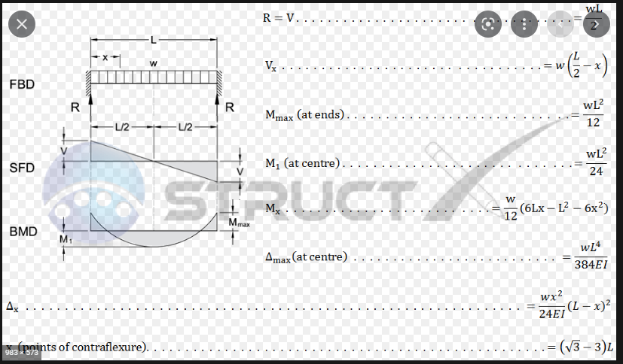
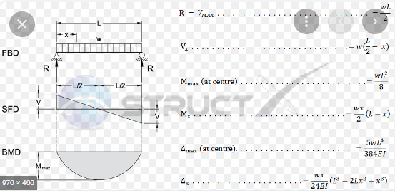
 |  |  |  |  |  |  |  |  |  |  |  |  |  |  |  |  |  |  |  |  |  |  |  |  | L_start | L_finish |  | L [m] | M Nm | M_max [kNm] elastic | M_max [kNm] inelastic |  | Delta [m] | Delta_ mm | V (N) | V (kN) | L_start | L_finish |  | L [m] | M Nm | M_max [kNm] elastic | M_max [kNm] inelastic |  | Delta [m] | Delta_ mm | V (N) | V (kN)
 |  |  |  |  |  |  |  |  |  |  |  |  |  |  |  |  |  |  |  |  |  |  |  |  | 5 | 5 |  | 0 |  |  |  |  |  |  |  | 0 | 5 | 5 |  | 0 |  |  |  |  |  |  |  | 0
 |  |  |  |  |  |  |  |  |  |  |  |  |  |  |  |  |  |  |  |  |  |  |  |  | 4.75 | 5.25 |  | 0.5 | 2915 | 2.9 |  |  | 0.00120 | 1.2 | 2068 | 2.068 | 4.75 | 5.25 |  | 0.5 | 2915 | 2.9 |  |  | 0.00120 | 1.2 | 2068 | 2.068
 |  |  |  |  |  |  |  |  |  |  |  |  |  |  |  |  |  |  |  |  |  |  |  |  | 4.5 | 5.5 |  | 1 | 4064 | 4.1 |  |  | 0.00134 | 1.34 | 2704 | 2.704 | 4.5 | 5.5 |  | 1 | 4064 | 4.1 |  |  | 0.00134 | 1.34 | 2704 | 2.704
 |  |  |  |  |  |  |  |  |  |  |  |  |  |  |  |  |  |  |  |  |  |  |  |  | 4.25 | 5.75 |  | 1.5 | 4765 | 4.8 |  |  | 0.00144 | 1.44 | 3185 | 3.185 | 4.25 | 5.75 |  | 1.5 | 4765 | 4.8 |  |  | 0.00144 | 1.44 | 3185 | 3.185
 |  |  |  |  |  |  |  |  |  |  |  |  |  |  |  |  |  |  |  |  |  |  |  |  | 4 | 6 |  | 2 | 5430 | 5.4 |  |  | 0.00150 | 1.5 | 3421 | 3.421 | 4 | 6 |  | 2 | 5430 | 5.4 |  |  | 0.00150 | 1.5 | 3421 | 3.421
 |  |  |  |  |  |  |  |  |  |  |  |  |  |  |  |  |  |  |  |  |  |  |  |  | 3.75 | 6.25 |  | 2.5 | 5761 | 5.8 |  |  | 0.00160 | 1.6 | 3594 | 3.594 | 3.75 | 6.25 |  | 2.5 | 5761 | 5.8 |  |  | 0.00160 | 1.6 | 3594 | 3.594
 |  |  |  |  |  |  |  |  |  |  |  |  |  |  |  |  |  |  |  |  |  |  |  |  | 3.5 | 6.5 |  | 3 | 6045 | 6.0 |  |  | 0.00171 | 1.71 | 3578 | 3.578 | 3.5 | 6.5 |  | 3 | 6045 | 6.0 |  |  | 0.00171 | 1.71 | 3578 | 3.578
 |  |  |  |  |  |  |  |  |  |  |  |  |  |  |  |  |  |  |  |  |  |  |  |  | 3.25 | 6.75 |  | 3.5 | 6085 | 6.1 |  |  | 0.00178 | 1.78 | 3564 | 3.564 | 3.25 | 6.75 |  | 3.5 | 6085 | 6.1 |  |  | 0.00178 | 1.78 | 3564 | 3.564
 |  |  |  |  |  |  |  |  |  |  |  |  |  |  |  |  |  |  |  |  |  |  |  |  | 3 | 7 |  | 4 | 6079 | 6.1 |  |  | 0.00184 | 1.84 | 3431 | 3.431 | 3 | 7 |  | 4 | 6079 | 6.1 |  |  | 0.00184 | 1.84 | 3431 | 3.431
 |  |  |  |  |  |  |  |  |  |  |  |  |  |  |  |  |  |  |  |  |  |  |  |  | 2.75 | 7.25 |  | 4.5 | 5889 | 5.9 |  |  | 0.00190 | 1.9 | 3329 | 3.329 | 2.75 | 7.25 |  | 4.5 | 5889 | 5.9 |  |  | 0.00190 | 1.9 | 3329 | 3.329
 |  |  |  |  |  |  |  |  |  |  |  |  |  |  |  |  |  |  |  |  |  |  |  |  | 2.5 | 7.5 |  | 5 | 5670 | 5.7 |  |  | 0.00195 | 1.954 | 3180 | 3.18 | 2.5 | 7.5 |  | 5 | 5670 | 5.7 |  |  | 0.00195 | 1.954 | 3180 | 3.18
 |  |  |  |  |  |  |  |  |  |  |  |  |  |  |  |  |  |  |  |  |  |  |  |  | 2.25 | 7.75 |  | 5.5 | 5295 | 5.3 |  |  | 0.00199 | 1.99 | 3057 | 3.057 | 2.25 | 7.75 |  | 5.5 | 5295 | 5.3 |  |  | 0.00199 | 1.99 | 3057 | 3.057
 |  |  |  |  |  |  |  |  |  |  |  |  |  |  |  |  |  |  |  |  |  |  |  |  | 2 | 8 |  | 6 | 4921 | 4.9 |  |  | 0.00203 | 2.03 | 2939 | 2.939 | 2 | 8 |  | 6 | 4921 | 4.9 |  |  | 0.00203 | 2.03 | 2939 | 2.939
 |  | Fixed-Fixed | Numerical Results
0 | 0.0 | 0.0
0.5 | 0.3 | 0.2 | 0.9
1 | 1.1 | 0.7 | 1.5
1.5 | 2.4 | 1.6 | 2.0
2 | 4.3 | 2.9 | 2.6
2.5 | 6.7 | 4.5 | 3.2
3 | 9.7 | 6.4 | 4.0
3.5 | 13.2 | 8.8 | 4.7
4 | 17.2 | 11.5 | 5.6
4.5 | 21.8 | 14.5 | 6.4
5 | 26.9 | 17.9 | 7.5
5.5 | 32.5 | 21.7 | 8.4
6 | 38.7 | 25.8 | 9.6
6.5 | 45.4 | 30.3 | 10.6
7 | 52.7 | 35.1 | 11.8
7.5 | 60.5 | 40.3 | 12.7
8 | 68.8 | 45.9 | 13.9
8.5 | 77.7 | 51.8 | 14.9
9 | 87.1 | 58.1 | 16.2
9.5 | 97.0 | 64.7
10 | 107.5 | 71.7
 |  |  |  |  |  |  |  |  |  |  |  |  |  |  |  |  |  |  |  |  |  |  |  |  | 1.75 | 8.25 |  | 6.5 | 4439 | 4.4 |  |  | 0.00205 | 2.05 | 2835 | 2.835 | 1.75 | 8.25 |  | 6.5 | 4439 | 4.4 |  |  | 0.00205 | 2.05 | 2835 | 2.835
 |  |  |  |  |  |  |  |  |  |  |  |  |  |  |  |  |  |  |  |  |  |  |  |  | 1.5 | 8.5 |  | 7 | 3942 | 3.9 |  |  | 0.00208 | 2.08 | 2710 | 2.71 | 1.5 | 8.5 |  | 7 | 3942 | 3.9 |  |  | 0.00208 | 2.08 | 2710 | 2.71
 |  |  |  |  |  |  |  |  |  |  |  |  |  |  |  |  |  |  |  |  |  |  |  |  | 1.25 | 8.75 |  | 7.5 | 3626 | 3.6 |  |  | 0.00209 | 2.09 | 2643 | 2.643 | 1.25 | 8.75 |  | 7.5 | 3626 | 3.6 |  |  | 0.00209 | 2.09 | 2643 | 2.643
 |  |  |  |  |  |  |  |  |  |  |  |  |  |  |  |  |  |  |  |  |  |  |  |  | 1 | 9 |  | 8 | 2894 | 2.9 |  |  | 0.00210 | 2.1 | 2334 | 2.334 | 1 | 9 |  | 8 | 2894 | 2.9 |  |  | 0.00210 | 2.1 | 2334 | 2.334
 |  |  |  |  |  |  |  |  |  |  |  |  |  |  |  |  |  |  |  |  |  |  |  |  | 0.75 | 9.25 |  | 8.5 | 2737 | 2.7 |  |  | 0.00210 | 2.1 | 2306 | 2.306 | 0.75 | 9.25 |  | 8.5 | 2737 | 2.7 |  |  | 0.00210 | 2.1 | 2306 | 2.306
 |  |  |  |  |  |  |  |  |  |  |  |  |  |  |  |  |  |  |  |  |  |  |  |  | 0.5 | 9.5 |  | 9 | 1498 | 1.5 |  |  | 0.00210 | 2.1 | 1429 | 1.429 | 0.5 | 9.5 |  | 9 | 1498 | 1.5 |  |  | 0.00210 | 2.1 | 1429 | 1.429
 |  |  |  |  |  |  |  |  |  |  |  |  |  |  |  |  |  |  |  |  |  |  |  |  | 0.3 | 9.7 |  | 9.4 | 1498 | 1.5 |  |  | 0.00210 | 2.1 | 1429 | 1.429 | 0.3 | 9.7 |  | 9.4 | 1498 | 1.5 |  |  | 0.00210 | 2.1 | 1429 | 1.429
 |  |  |  |  | Pin-Pin continuous 8m long beam |  |  |  |  | Fix-Fix continuous 8m long beam |  |  |  |  | Pin-Pin continuous 6m long beam |  |  |  |  | Fix fix cont. 6m beam |  |  |  |  | pin cont. 4m beam |  |  |  |  |  | fix cont. 4m beam |  |  |  |  |  |  | pin cont. 2m beam |  |  |  |  | fix cont. 2m beam
 |  |  |  | V(x) N | L [m] | M(x) | M(x) Nm | D_x (mm) | D_x[m] | L [m] | M(x) | M(x) Nm | D_x[mm]] | D_x[m] | L [m] | M(x) | M(x) Nm | D_x mm | D_x [m] | L [m] | M(x) kNm | M(x) Nm | D_x[mm] | D_x [m] | L [m] | M(x) kNm | M(x) Nm | D_x [mm] |  | D_x [m] | L [m] | M(x) kNm | M [Nm] | D_x [mm]] |  |  | D_x [m] | L [m] | Mx kNm | Mx Nm | D_x [mm] | Dx [m] | L [m] | Mx kNm | Mx Nm | Dx [mm] | Dx [m]
 |  |  |  | 34400 | 0 | 0 | 0 | 0 | 0.0000 | 0 | -45.866666667 | -45866.666667 | 0 | 0.00000 | 0 | 0 | 0 | 0 | 0 | 0 | -25.8 | -25800 | 0 | 0.0000000 | 0 | 0 | 0 | 0 |  | 0 | 0 | -11.466666667 | -11466.666667 | 0 |  |  | 0.00000 | 0 | 0 | 0 | 0 | 0 | 0 | -2.8666666667 | -2866.6666667 | 0 | 0
 |  |  |  | 30100 | 0.5 | 16.125 | 16125 | 1.6355715501 | 0.0016 | 0.5 | -29.741666667 | -29741.666667 | 0.090529790595 | 0.00009 | 0.5 | 11.825 | 11825 | 0.6860146354 | 0.0006860146354 | 0.5 | -13.975 | -13975 | 0.048684909609 | 0.0000487 | 0.5 | 7.525 | 7525 | 0.19997024856 |  | 0.00019997024856 | 0.5 | -3.9416666667 | -3941.6666667 | 0.019715376619 |  |  | 0.00002 | 0.5 | 3.225 | 3225 | 0.022934213617 | 2.2934213617E-05 | 0.5 | 0.35833333333 | 358.33333333 | 0.0036211916238 | 3.6211916238E-06
 |  |  |  | 25800 | 1 | 30.1 | 30100 | 3.1995239769 | 0.0032 | 1 | -15.766666667 | -15766.666667 | 0.3154460259 | 0.00032 | 1 | 21.5 | 21500 | 1.3197231696 | 0.0013197231696 | 1 | -4.3 | -4300 | 0.16094184995 | 0.0001609 | 1 | 12.9 | 12900 | 0.36694741788 |  | 0.00036694741788 | 1 | 1.4333333333 | 1433.3333333 | 0.057939065981 |  |  | 0.00006 | 1 | 4.3 | 4300 | 0.032188369989 | 3.2188369989E-05 | 1 | 1.4333333333 | 1433.3333333 | 0.0064376739979 | 6.4376739979E-06
 |  |  |  | 21500 | 1.5 | 41.925 | 41925 | 4.6290899591 | 0.0046 | 1.5 | -3.9416666667 | -3941.6666667 | 0.61198138442 | 0.00061 | 1.5 | 29.025 | 29025 | 1.857671303 | 0.001857671303 | 1.5 | 3.225 | 3225 | 0.29331652153 | 0.0002933 | 1.5 | 16.125 | 16125 | 0.47679023047 |  | 0.00047679023047 | 1.5 | 4.6583333333 | 4658.3333333 | 0.090529790595 |  |  | 0.00009 | 1.5 | 3.225 | 3225 | 0.022934213617 | 2.2934213617E-05 | 1.5 | 0.35833333333 | 358.33333333 | 0.0036211916238 | 3.6211916238E-06
 |  |  |  | 17200 | 2 | 51.6 | 51600 | 5.8711586861 | 0.0059 | 2 | 5.7333333333 | 5733.3333333 | 0.92702505569 | 0.00093 | 2 | 34.4 | 34400 | 2.2660612473 | 0.0022660612473 | 2 | 8.6 | 8600 | 0.41201113586 | 0.0004120 | 2 | 17.2 | 17200 | 0.51501391983 |  | 0.00051501391983 | 2 | 5.7333333333 | 5733.3333333 | 0.10300278397 |  |  | 0.00010 | 2 | 0 | 0 | 0 | 0 | 2 | -2.8666666667 | -2866.6666667 | 0 | 0
 |  |  |  | 12900 | 2.5 | 59.125 | 59125 | 6.8822758584 | 0.0069 | 2.5 | 13.258333333 | 13258.333333 | 1.2171227402 | 0.00122 | 2.5 | 37.625 | 37625 | 2.5207517248 | 0.0025207517248 | 2.5 | 11.825 | 11825 | 0.49288441546 | 0.0004929 | 2.5 | 16.125 | 16125 | 0.47679023047 |  | 0.00047679023047 | 2.5 | 4.6583333333 | 4658.3333333 | 0.090529790595 |  |  | 0.00009 |  |  | V(x) N
 |  |  |  | 8600 | 3 | 64.5 | 64500 | 7.6286436875 | 0.0076 | 3 | 18.633333333 | 18633.333333 | 1.4484766495 | 0.00145 | 3 | 38.7 | 38700 | 2.6072579691 | 0.0026072579691 | 3 | 12.9 | 12900 | 0.52145159383 | 0.0005215 | 3 | 12.9 | 12900 | 0.36694741788 |  | 0.00036694741788 | 3 | 1.4333333333 | 1433.3333333 | 0.057939065981 |  |  | 0.00006 |  |  | 8600
 |  |  |  | 4300 | 3.5 | 67.725 | 67725 | 8.086120896 | 0.0081 | 3.5 | 21.858333333 | 21858.333333 | 1.5969455061 | 0.00160 | 3.5 | 37.625 | 37625 | 2.5207517248 | 0.0025207517248 | 3.5 | 11.825 | 11825 | 0.49288441546 | 0.0004929 | 3.5 | 7.525 | 7525 | 0.19997024856 |  | 0.00019997024856 | 3.5 | -3.9416666667 | -3941.6666667 | 0.019715376619 |  |  | 0.00002 |  |  | 4300
 |  |  |  | 0 | 4 | 68.8 | 68800 | 8.2402227173 | 0.0082 | 4 | 22.933333333 | 22933.333333 | 1.6480445435 | 0.00165 | 4 | 34.4 | 34400 | 2.2660612473 | 0.0022660612473 | 4 | 8.6 | 8600 | 0.41201113586 | 0.0004120 | 4 | 0 | 0 | 0 |  | 0 | 4 | -11.466666667 | -11466.666667 | 0 |  |  | 0.00000 |  |  | 0
 |  |  |  | -4300 | 4.5 | 67.725 | 67725 | 8.086120896 | 0.0081 | 4.5 | 21.858333333 | 21858.333333 | 1.5969455061 | 0.00160 | 4.5 | 29.025 | 29025 | 1.857671303 | 0.001857671303 | 4.5 | 3.225 | 3225 | 0.29331652153 | 0.0002933 |  |  | V(x) N |  |  |  |  |  |  |  |  |  |  |  |  | -4300
 |  |  |  | -8600 | 5 | 64.5 | 64500 | 7.6286436875 | 0.0076 | 5 | 18.633333333 | 18633.333333 | 1.4484766495 | 0.00145 | 5 | 21.5 | 21500 | 1.3197231696 | 0.0013197231696 | 5 | -4.3 | -4300 | 0.16094184995 | 0.0001609 |  |  | 17200 |  |  |  |  |  |  |  |  |  |  |  |  | -8600
 |  |  |  | -12900 | 5.5 | 59.125 | 59125 | 6.8822758584 | 0.0069 | 5.5 | 13.258333333 | 13258.333333 | 1.2171227402 | 0.00122 | 5.5 | 11.825 | 11825 | 0.6860146354 | 0.0006860146354 | 5.5 | -13.975 | -13975 | 0.048684909609 | 0.0000487 |  |  | 12900
 |  |  |  | -17200 | 6 | 51.6 | 51600 | 5.8711586861 | 0.0059 | 6 | 5.7333333333 | 5733.3333333 | 0.92702505569 | 0.00093 | 6 | 0 | 0 | 0 | 0 | 6 | -25.8 | -25800 | 0 | 0.0000000 |  |  | 8600
 |  |  |  | -21500 | 6.5 | 41.925 | 41925 | 4.6290899591 | 0.0046 | 6.5 | -3.9416666667 | -3941.6666667 | 0.61198138442 | 0.00061 |  |  | V(x) N |  | 0 |  |  |  |  | 0 |  |  | 4300
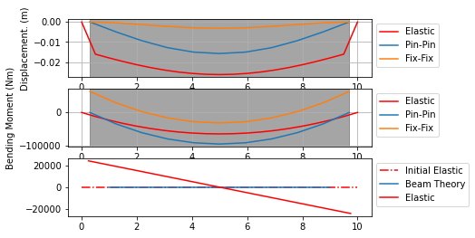
 |  |  |  | -25800 | 7 | 30.1 | 30100 | 3.1995239769 | 0.0032 | 7 | -15.766666667 | -15766.666667 | 0.3154460259 | 0.00032 |  |  | 25800 |  | 0 |  |  |  |  | 0 |  |  | 0
 |  |  |  | -30100 | 7.5 | 16.125 | 16125 | 1.6355715501 | 0.0016 | 7.5 | -29.741666667 | -29741.666667 | 0.090529790595 | 0.00009 |  |  | 21500 |  | 0 |  |  |  |  | 0 |  |  | -4300
 |  |  |  | -34400 | 8 | 0 | 0 | 0 | 0.0000 | 8 | -45.866666667 | -45866.666667 | 0 | 0.00000 |  |  | 17200 |  | 0 |  |  |  |  | 0 |  |  | -8600
 |  |  |  |  |  |  |  |  |  |  |  |  |  |  |  |  | 12900 |  |  |  |  |  |  |  |  |  | -12900
 |  |  |  |  | Pin-Pin continuous 9.4m long beam |  |  |  |  | Fix-Fix continuous 9.4m long beam |  |  |  |  |  |  | 8600 |  |  |  |  |  |  |  |  |  | -17200
 |  |  |  |  | L [m] | M(x) | M(x) Nm | D_x (mm) | D_x[m] | L [m] | M(x) | M(x) Nm | D_x[mm]] | D_x[m] | V(x) N |  | 4300
 |  |  | 0.3 |  | 0 | 0 | 0 | 0 | 0.0000 | 0 | -63.324666667 | -63324.666667 | 0 | 0.00000 | 40420 |  | 0
 |  |  | 1.24 |  | 0.94 | 34.19532 | 34195.32 | 4.9307093404 | 0.0049 | 0.94 | -29.129346667 | -29129.346667 | 0.40712278957 | 0.00041 | 32336 |  | -4300
 |  |  | 2.18 |  | 1.88 | 60.79168 | 60791.68 | 9.3286407092 | 0.0093 | 1.88 | -2.5329866667 | -2532.9866667 | 1.2867090633 | 0.00129 | 24252 |  | -8600
 |  |  | 3.12 |  | 2.82 | 79.78908 | 79789.08 | 12.771592695 | 0.0128 | 2.82 | 16.464413333 | 16464.413333 | 2.2165574099 | 0.00222 | 16168 |  | -12900
 |  |  | 4.06 |  | 3.76 | 91.18752 | 91187.52 | 14.957992861 | 0.0150 | 3.76 | 27.862853333 | 27862.853333 | 2.8950953925 | 0.00290 | 8084 |  | -17200
 |  |  | 5 |  | 4.7 | 94.987 | 94987 | 15.706897746 | 0.0157 | 4.7 | 31.662333333 | 31662.333333 | 3.1413795492 | 0.00314 | -7.6383344094E-12 |  | -21500
 |  |  | 5.94 |  | 5.64 | 91.18752 | 91187.52 | 14.957992861 | 0.0150 | 5.64 | 27.862853333 | 27862.853333 | 2.8950953925 | 0.00290 | -8084 |  | -25800
 |  |  | 6.88 |  | 6.58 | 79.78908 | 79789.08 | 12.771592695 | 0.0128 | 6.58 | 16.464413333 | 16464.413333 | 2.2165574099 | 0.00222 | -16168
 |  |  | 7.82 |  | 7.52 | 60.79168 | 60791.68 | 9.3286407092 | 0.0093 | 7.52 | -2.5329866667 | -2532.9866667 | 1.2867090633 | 0.00129 | -24252
 | 9.4 |  | 8.76 |  | 8.46 | 34.19532 | 34195.32 | 4.9307093404 | 0.0049 | 8.46 | -29.129346667 | -29129.346667 | 0.40712278957 | 0.00041 | -32336
 | 0.94 |  | 9.7 |  | 9.4 | 0 | 0 | 0 | 0.0000 | 9.4 | -63.324666667 | -63324.666667 | 0 | 0.00000 | -40420

rev2_UDL=LOS_beamlen=found
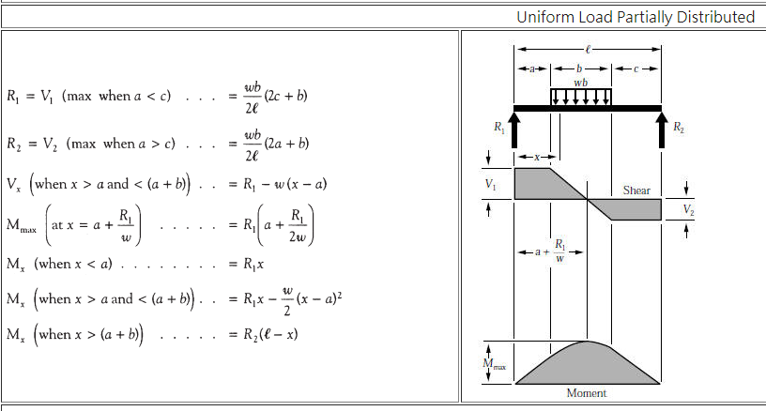
House Load [kN/m] | 8.6 |  | M_max_pin [kNm] | Pinned-Pinned Beam with Partial UDL |  |  |  |  |  | Fixed w Partial UDL | Numerical
Ec [Mpa] | 20615.528128 | 25000 | 107.5 | LOS [m] | UDL length, b [m] | a [m] | c [m] | R1 [kN] | M_max [kNm] | M_max [kNm] | M_max [Nm] | M_max [kNm]
f'c [Mpa] | 17 |  | M_max_fix [kNm] | 0.5 | 0.5 | 4.75 | 4.75 | 2.15 | 10.48125 | 5.11 | 6155 | 6.155
b [m] | 0.15 |  | 71.666666667 | 1 | 1 | 4.5 | 4.5 | 4.3 | 20.425 | 9.71 | 9771 | 9.771
h [m] | 0.6 |  | M_mid_fix [kNm] | 1.5 | 1.5 | 4.25 | 4.25 | 6.45 | 29.83125 | 13.82 | 13130 | 13.13
I [m^4] | 0.0027 |  | 35.833333333 | 2 | 2 | 4 | 4 | 8.6 | 38.7 | 17.5 | 17319 | 17.319
Mpa = 1N/mm^2 |  |  |  | 2.5 | 2.5 | 3.75 | 3.75 | 10.75 | 47.03125 | 20.72 | 21349 | 21.349
L [m] | 10 |  |  | 3 | 3 | 3.5 | 3.5 | 12.9 | 54.825 | 23.54 | 26329 | 26.329
 |  |  |  | 3.5 | 3.5 | 3.25 | 3.25 | 15.05 | 62.08125 | 25.99 | 31176 | 31.176
NOTE: Shear force eqn same for pin-pin and fix-fix cases, only the length will change it
Consider elastic beam and elastic soil -> therefore use soil spring stiffness from Henderson coresponding to 0 bearing capacity loss
This sheet compares the numerical results to the beam theory case of having either fixed or pinned end restraints with a uniform partially distrubuted load.
a = c as UDL is increasing uniformly for
M_max is the maximum moment in the midspan of the foundation
Note: for the fixed-fixed partial UDL taken off- online calculator for now... need to find eqn https://civilengineeronline.com/fb/fbcalcu.php
LINK TO SPREADSHEETS TO CALC BMD:
https://www.abbottaerospace.com/whats-new/all-simple-beam-analysis-spreadsheets-uploaded/
 |  |  |  | 4 | 4 | 3 | 3 | 17.2 | 68.8 | 28.09 | 37127 | 37.127
 |  |  |  | 4.5 | 4.5 | 2.75 | 2.75 | 19.35 | 74.98125 | 29.87 | 42813.9 | 42.8139
 |  |  |  | 5 | 5 | 2.5 | 2.5 | 21.5 | 80.625 | 31.35 | 49770 | 49.77
 |  |  |  | 5.5 | 5.5 | 2.25 | 2.25 | 23.65 | 85.73125 | 32.57 | 56085 | 56.085
 |  |  |  | 6 | 6 | 2 | 2 | 25.8 | 90.3 | 33.54 | 63805 | 63.805
 |  |  |  | 6.5 | 6.5 | 1.75 | 1.75 | 27.95 | 94.33125 | 34.3 | 70398 | 70.398
 |  |  |  | 7 | 7 | 1.5 | 1.5 | 30.1 | 97.825 | 34.87 | 78238 | 78.238
 |  |  |  | 7.5 | 7.5 | 1.25 | 1.25 | 32.25 | 100.78125 | 35.27 | 84685 | 84.685
 |  |  |  | 8 | 8 | 1 | 1 | 34.4 | 103.2 | 35.54 | 92145 | 92.145
 |  |  |  | 8.5 | 8.5 | 0.75 | 0.75 | 36.55 | 105.08125 | 35.71 | 99274 | 99.274
 |  |  |  | 9 | 9 | 0.5 | 0.5 | 38.7 | 106.425 | 35.79 | 107530 | 107.53
 |  |  |  | 9.4 | 9.4 | 0.3 | 0.3 | 40.42 | 107.113 | 35.82 | 107530 | 107.53

